INTRODUCTION
INTRODUCTION :-
WHAT IS A MOVIE?
A recording of moving images that tells a story and that people watch on a screen or television.
This dataset contains the atttributes of movie example,
- language
-production company
-title
-director etc.
LIST OF TABLES-
1. 'movie'
where attributes are,
movie_id (serial) = Unique identification of each movie.
title varchar(150) = Name of the movie.
genres varchar(150) = Genre or Category of the movies i.e. Horror/Comedy.
budget int = Amount required for the production of the movie.
popularity float = Rating of the movie by critics/audience.
revenue float = Amount earned after the release of movie.
2. 'technicalities'
where attributes are,
runtime int = Length of the movie in minutes.
director varchar(150) = Director of the movie.
keywords varchar(150) = Description of the plot of the movie.
3. 'info'
where attributes are,
language varchar(150) = language of the movie.
release_date date = Release date of the movie.
production_company varchar(250) = Details of the producers.
censorship varchar(150) = Category of viewership/what age group of people can
consume the specific content.

ERD Table
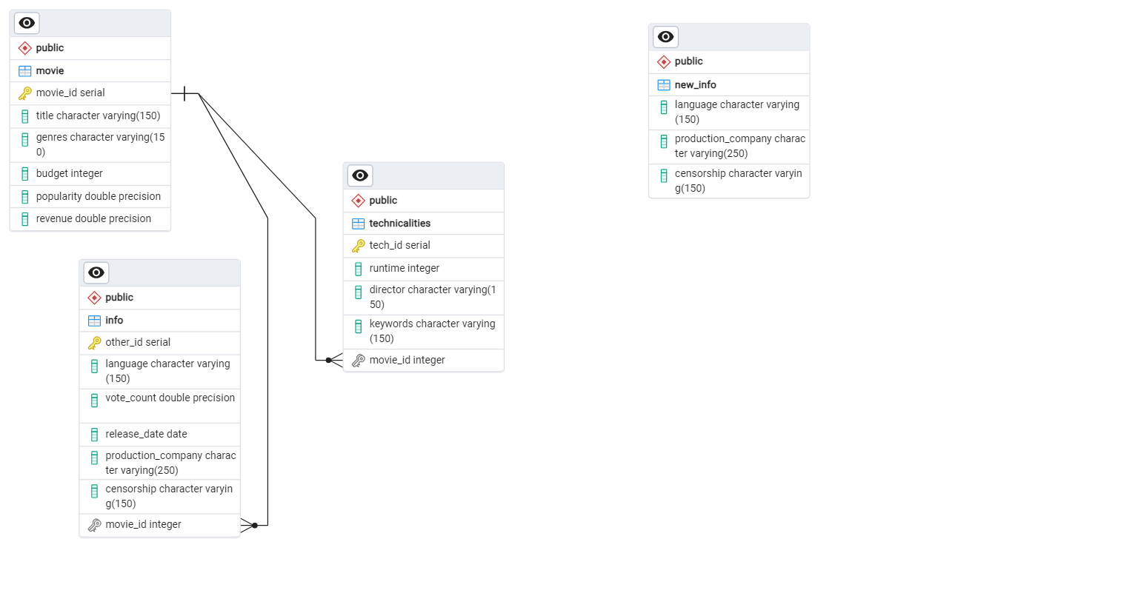

ERD TABLE

